Organization Dept Hierarchy Ex.
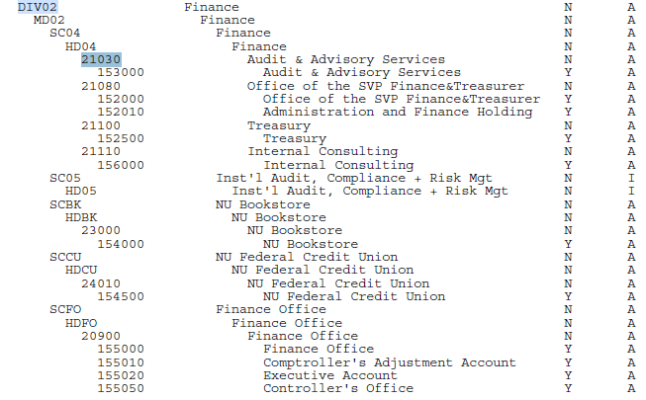
 |  | EXISTING ORG - NEW INDEX ONLY
 |  | When filling out the form for an existing ORG use the 5 digit Department shown here from the hierarcy.
 |  | For this example it would be 21030 and the new ORG will be placed under this Department - Audit & Advisory Services

 |  | NEW ORG and INDEX
 |  | Use the same 5 digit department code where you want the new ORG to fall in the existing hierarcy
 |  | The new Organization to be set up will fall under this group
 |  | In this example - 153000 - Audit & Advisory Services is the existing ORG
 |  | If you are requesting a new ORG - we will create the ORG under 21030 so it would fall under 153000 in that group.

 |  | NEW FIVE DIGIT DEPARTMENT within a Division
 |  | If you need a new Department within a Division and a New ORG please note that on the form

Please refer to the Organization Hierarchy Report (FGRORGH) in ePrint Reports for the org hierarchy for the Department Codes under your Division:
 | Organization Hierarchy Report (FGRORGH)

